Colour Info
Default Plant Colour |  |  |  |  |  | Colour | Mixing Palette | 🡳 Mixed with White 🡳 | Default Plant Colour
 |  |  | 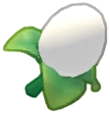 | 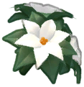 |  | White | Cannot Be Made | Cannot Mix
 |  |  |  |  |  | Red | Cannot Be Made | Warm Pink | 
 |  |  |  |  |  | Coral | 🡲 Red + Orange | Blush
 |  |  |  | 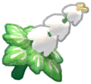 |  | Orange | 🡲 Red + Yellow | Peach
 |  |  |  | 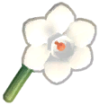 |  | Yellow | Cannot Be Made | Cream
 |  |  |  |  |  | Lime | 🡲 Green + Yellow | Pistachio | 
 |  |  |  |  |  | Green | 🡲 Yellow + Blue | Mint | 
 |  |  |  |  |  | Teal | 🡲 Green + Sky | Seafoam
 |  |  |  |  |  | Sky | Cannot Be Made | Cloud
 |  |  |  |  |  | Blue | Cannot Be Made | Ice
 |  |  |  |  |  | Indigo | 🡲 Blue + Violet | Periwinkle
 |  |  |  |  |  | Violet | 🡲 Blue + Red | Lilac
 |  |  |  |  |  | Magenta | 🡲 Violet + Hot Pink | Cool Pink
 |  |  |  |  |  | Hot Pink | Cannot Be Made | Pink

 |  |  |  |  | 🡰 indicates event flower |  |  | indicates dlc flower 🡲
 |  |  |  |  | 🡰 indicates extremophile flower

CHECK ALL BOXES








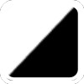


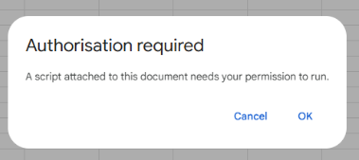
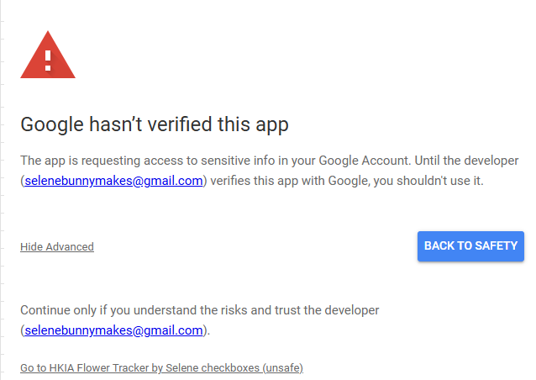
How to use: Click on each flower below + pattern to check all the boxes in a column.

For example:
Clicking on the rose will check all solid rose colours in the default colours page
Clicking on the stripe pattern will check all stripe colours in the default colours page

FEEL FREE TO DELETE THIS PAGE WHEN YOU ARE FINISHED


 |  | Click on Advanced and click on the link at the bottom 🢂
 | "Go to HKIA Flower Tracker By Selene"

 | Follow the steps and continue through.

